Growth Adj. Calc Instructions
Growth Adjustment Calculation
Coronavirus State and Local Fiscal Recovery Fund
Instructions

The Growth Adjustment calculation tab is intended to assist governments with calculating the amount of
the growth adjustment that can be used to calculate the Revenue Loss in accordance with the
requirements of the U.S. Department of Treasury's Interim Final Rule.

Green cells | should be entered by the government to complete the calculation.

Definitions of amounts used:
Base Year Revenue is the recipient’s general revenue for the most recent full fiscal year prior
 | to the COVD-19 public health emergency (most likely FYE 2019).

Base Year FYE is the date of the fiscal year end for the year used as Base Year Revenue (i.e.
 | 6/30/2019 for School Districts and 12/31/19 for most local governments).

Actual General Revenue is a recipient’s actual general revenue collected during the fiscal year
 | noted on the sheet (three years prior to the Base Year FYE).

General Revenue includes revenue from taxes, current charges, and miscellaneous general revenue.
 | It excludes refunds and other correcting transactions, proceeds from issuance of debt or
 | the sale of investments, agency or private trust transactions, and revenue generated by
 | utilities and insurance trusts. General revenue also includes intergovernmental transfers
 | between state and local governments, but excludes intergovernmental transfers from the
 | Federal government, including Federal transfers made via a state to a locality pursuant to
 | the CRF or the Fiscal Recovery Funds.
 | See also Appendix from Treasury's SLFRF FAQs, below.

Growth Adjustment % for Calculation uses an excel formula to automatically select the higher of
 | the Calculated 3-Year Growth Adjustment or 4.1%.
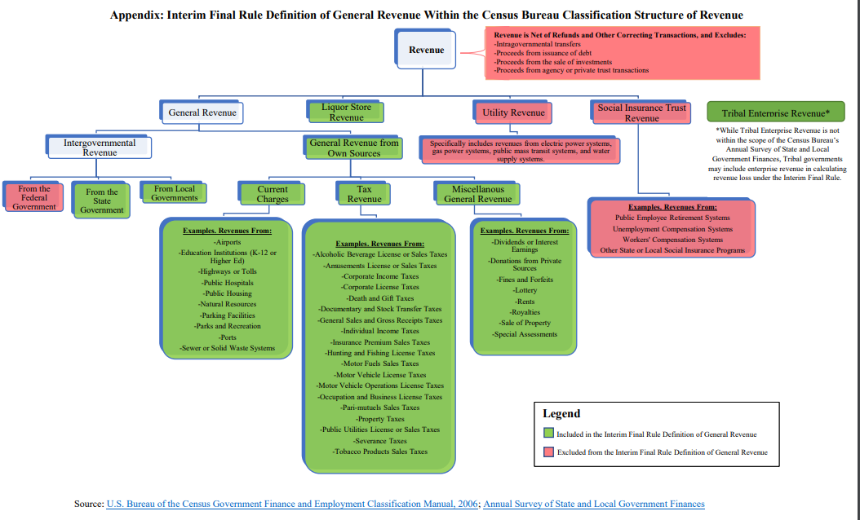

 |  | Source: | https://home.treasury.gov/system/files/136/SLFRPFAQ.pdf

